Theory
Sr. No. | Difficulty Level | Question | Option A | Option B | Option C | Option D | Answer | NOS | PC
1 | EASY | Which of the given criteria should be considered to segregate gemstones while handling them? 1. Type of specific gemstones 2. Colour of gemstones 3. Price of gemstones | Only 1 and 2 | Only 2 and 3 | Only 1 | All 1, 2 and 3 | D | 1. G&J/N7102 Manage inventory of wholesale gemstones | PC1
2 | MEDIUM | Identify the given tool used to handle gemstones safely. | Locking tweezer | Wire cutter | Chisel | Tong | A |  | PC1
3 | MEDIUM | Which of the given practice(s) should be avoided while handling gemstones? 1. Place the gemstones in loose boxes 2. Use locking tweezers for safe handling of gemstones 3. Always use soldering tweezers to pick up small gemstones | Only 1 and 2 | Only 2 and 3 | Only 1 and 3 | All 1, 2 and 3 | C |  | PC1
4 | DIFFICULT |  What does the given sign on the box of gemstones indicate? | Protect from heat | Protect from sunlight | Protect from moisture | Handle with care | D |  | PC1
5 | DIFFICULT | 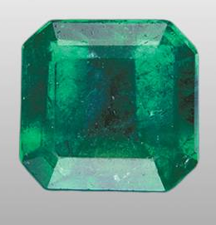 Which of the following practice should be avoided while covering the below-given gemstone? | Using a soft paper to cover the gemstone | Using a cotton ball to cover the gemstone | Using a clean paper to cover the gemstone | Using an abrasive paper to cover the gemstone | D |  | PC2
6 | DIFFICULT | 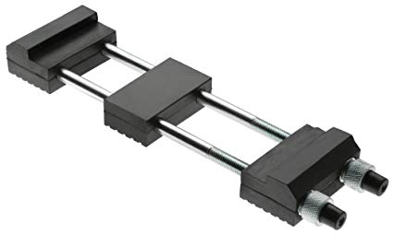 While covering gemstone, identify the given tool that can be used to pick a gem from the top or bottom and have all sides open for inspection. | Locking tweezer | Chisel | Soldering tweezer | Stone Holder | D |  | PC2
7 | EASY | What will you do if you find that the quality of the cotton ball used to cover the gemstone is very poor? | Immediately replace the cotton ball with a good quality ball | Leave the gemstone unwrapped | Leave the gemstone wrapped with the bad quality cotton ball only | Cover the gemstone with an abrasive paper | A |  | PC2
8 | DIFFICULT | While packing the gemstones in an appropriate covering, which of the following things should be kept in mind? | It should not be too heavy | It should be able to protect the stones | It should be portable | All of the mentioned options | D |  | PC2
9 | MEDIUM | Which of the given record shows the details about the quantity of material stored inside a container? | Bin card | Damage report | Material transfer note | Material requisition slip | A |  | PC3
10 | EASY | Which of the following information is [b]not[/b]present in 'Materials received note'? | Name of the supplier | Material code number | Purchase order number | Usage guideline of the material | D |  | PC3
11 | EASY | Which of the following information will you find in stores ledger? 1. Name of the item 2. Maximum Quantity of items which can be kept in inventory 3. Minimum Quantity of items, below which an order must be placed for additional units | Only 1 and 2 | Only 2 and 3 | Only 1 | All 1, 2 and 3 | D |  | PC3
12 | MEDIUM | Which of the given record can be used to identify a material from the stock of materials? | Housekeeping record | Material damage report | Stock Identification Card | Materials Requisition slip | C |  | PC3
13 | MEDIUM | 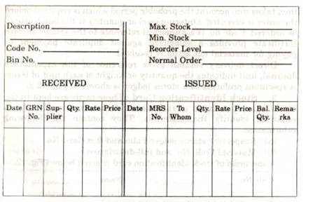 Identify the given slip used in inventory management. | Bin card | Stores Ledger | Damage report | Materials Received Note | B |  | PC3
14 | MEDIUM | Which of the following type of inventory allows firms to produce items which are more than their current requirement in anticipation of a potential future event? | Transit inventory | Buffer inventory | Decoupling inventory | Anticipation inventory | D |  | PC3
15 | MEDIUM | Which of the given are correct guidelines for inventory management? 1. Regularly measure the performance of your inventory management 2. Record how much inventory you have precisely 3. Align inventory management with other processes | Only 1 and 2 | Only 2 and 3 | Only 1 | All 1, 2 and 3 | D |  | PC3
16 | MEDIUM | Which of the given practice should be [b]avoided[/b] to ensure proper management of the stock of materials? | Take all the needs into consideration while adding an inventory | Dump the inventory without a plan | Keep regular track of the stock | Keep precise record of the stock | B |  | PC3
17 | EASY | Which of the given type of inventory can serve to protect the firm if a supplier fails to deliver items at the required time? | Transit inventory | Buffer inventory | Decoupling inventory | Anticipation inventory | B |  | PC3
18 | MEDIUM | Which of the following type of inventory is made up of all the materials that are being processed or are waiting to be processed? | MRO(Maintenance, Repair, and Operating) goods inventory | Raw materials inventory | Finished goods inventory | Work-in-process inventory | D |  | PC3
19 | MEDIUM | In case inventory is in transportation and will be received in upcoming few days, it can be marked as _____. | Transit inventory | Buffer inventory | Decoupling inventory | Anticipation inventory | A |  | PC3
20 | EASY | Which of the following option will not be included in MRO(Maintenance, Repair, and Operating) goods inventory? | Tools | Packing material | Gloves | Finished items | D |  | PC3

